Irish Context + Pilots
Ireland's National Strategic Outcomes

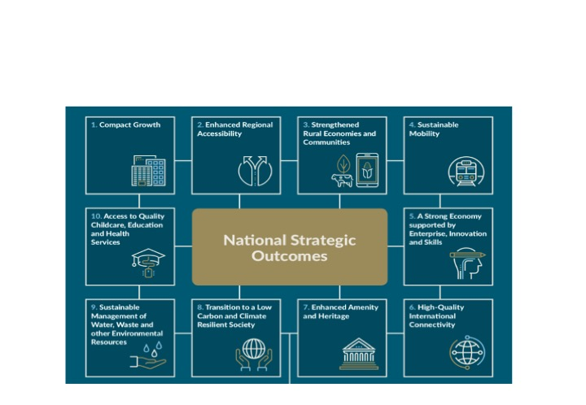

Relationship between Irish National Strategic Outcomes and Toolkit Themes

